
 |  |  |  | CODE: |  |  | pl1072 aa SN from 98L000
DESCRIPTION: |  | HEAD 78:PULLEY AXLE |  | KOPF 78 | TETE 78 | CABEZA 78 | TESTATA 78:ASSE SPAZZOLA
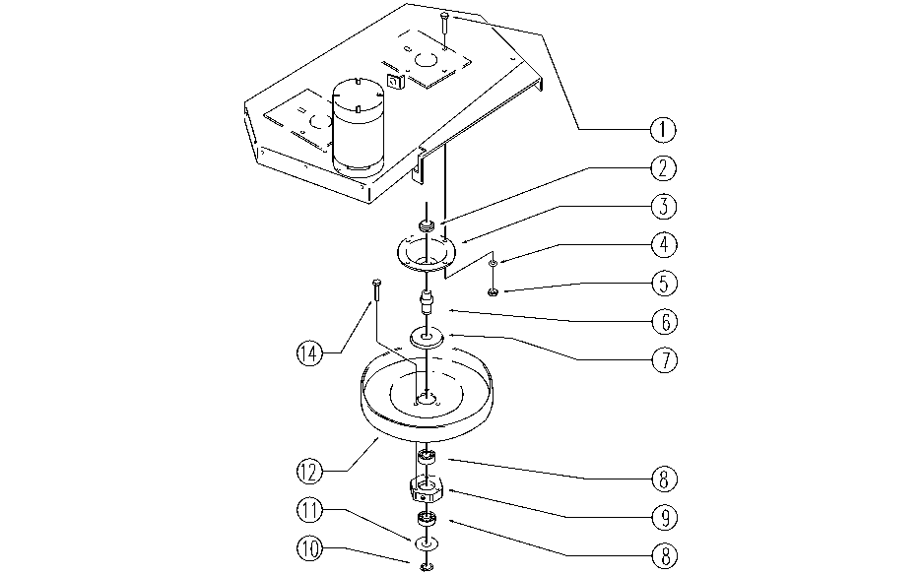

REF. | CODE | DESCRIPTION | QT
1 | E86978 | Screw M8-25 | 8
2 | E86468 | AS20 Nut | 2
3 | E86725 | Flange, WS20 | 2
4 | E86726 | Washer | 8
5 | E86853 | Nyloc Hex Nut, M8 Zinc | 8
6 | E86982 | Hexagon Pin - Rhino | 2
7 | E86618 | Upper Protection | 2
8 | E86409 | Bearing, 6005 2RS | 4
9 | E86983 | Hexagon Alum. ASM | 2
10 | E86812 | Seegeer | 2
11 | E86617 | Lower Protection | 2
12 | E89396 | Pulley | 2
14 | SL04100 | SCREW | 6

